WS Sizing Calculations
 |  |  |  |  |  |  |  |  | stress=F/(D/2^2)
 |  |  |  |  |  |  |  |  | Sqrt((F/S)*2)

Wash Chamber Access Hatch Calculations |  |  |  | Beam Dimensions |  |  |  | Required Pin Thickness (for hatch beam)
 | Value | Units | Notes |  | Value | Units | Notes |  | Value | Units | Notes
Assumed Sealing Force | 200 | lbf | not known, assumed | Plate Thickness | 0.5 |  |  | Force Applied Load | 1200 | lbf
Force Applied Load | 1200 | lbf |  | Number of Supporting Plates | 2 |  |  | Thickness of Hatch Beams | 1
Span | 8.5 | in | Overestimate of span since design limit is 8.5. Hatch Span will be significantly less | Effective Support Thickness | 1 |  |  | Max Stress of Material Used | 34800 | psi
Shear Force | 600 | lbf |  | Minimum Hatch Support Height | 0.93771549247 |  |  | FS | 5
Bending Moment | 2550 | in-lb |  |  |  |  |  | Minimum Pin Diameter for Bearing Stress | 0.34482758621
FS | 2 |  |  |  |  |  |  | Minimum Pin Diameter for Shear Stress | 0.37139067635
Material Shear Strength | 34800 |  |  |  |  |  |  | Chosen Pin Diameter
Required Section Modulus (S.S.) | 0.14655172414
 |  |  |  |  |  |  |  |  | 0.375

Wash Piston Rod
Piston Rod Size For Load Application |  |  |  | Wash Piston Rod Stay Pin Thickness
 | Value | Units | Notes |  | Value | Units | Notes
K | 2 | - |  | Span of Piston Rod | 0.875 | in
I | 0.0033298664212 |  |  | Max Stress of Material Used | 34800 | psi
E | 28000000 |  |  | FS | 5
Pcr | 1000 |  |  | Minimum Pin Diameter | 0.16420361248
lmax | 10.725 |  |  | Chosen Pin Diameter | 0.375
FS | 2 |  |  | Piston Rod Area at Pin | 0.27319546885
a | 0.25517271393 |  |  | Stress on Piston Rod at Area | 3660.3828175 |  | check
D | 0.51034542786
Shaft Diameter | 0.875 | in
 |  |  |  | Machinability Check | Value | Units | Notes
Critical Stress Buckling (Check) | 459853.28128 | psi | Stress required to buckle beam | Pin Hole Depth | 4
Force Required to Produce Buckling Stress | 276519.1907 | lbf |  | Nut Thickness for Chosen Pin | 0.25
Critical Stress Due to Plastic Deformation |  |  |  | Diameter to Depth Ratio | 9.3333333333
 |  |  |  | Hole Diameter to Depth Ratio | 10

Reservior Piston Rod
Reaction Force on Reservior Piston Due to Potential Developed Pressure |  |  |  | Reservior Piston Rod Size For Load Application |  |  |  | Reservior Piston Rod Stay Pin Thickness |  |  |  | Piston Compliance Springs
 | Value | Units | Notes |  | Value | Units | Notes |  | Value | Units | Notes |  | Value | Units | Notes
Piston Area | 12.566370614 | in2 |  | Chamber Top Rod Size For Load Application |  |  |  | Span of Piston Rod | 0.5 | in |  | # of Springs | 4
Max Water Pressue | 79.577471546 | psi |  | # of Supports | 4 |  |  | Max Stress of Material Used | 34800 | psi |  | Spring Travel
Chamber Top Wetted Area | 11.965050146 | in2 |  | K | 2 |  |  | FS | 5 |  |  | Minimum Spring ID | 0.5
Reaction Force on Chamber Top Due to Pressure | 952.1484375 | lbf |  | I | 0.00079263177751 |  |  | Minimum Pin Diameter | 0.068401468211
 |  |  |  | E | 28000000 |  |  | Chosen Pin Diameter | 0.1875
 |  |  |  | Pcr | 952.1484375 | lbf |  | Piston Rod Area at Pin | 0.10259954085
 |  |  |  | lmax | 10.725 | in |  | Stress on Piston Rod at Area | 2320.0601816 |  | check
 |  |  |  | FS | 2 | -
 |  |  |  | a | 0.17823598871 | in2
 |  |  |  | D | 0.47637916529 | in |  | Machinability Check | Value | Units | Notes
 |  |  |  | Shaft Diameter | 0.5 | in |  | Pin Hole Depth | 2.58 |  | Based on Dimensions of Reservior Piston in CAD. Pins offset due to distance from center of piston support rods
 |  |  |  |  |  |  |  | Nut Thickness for Chosen Pin | 0.25
 |  |  |  | Critical Stress Buckling (Check) | 150156.17348 | psi | Stress required to buckle beam | Diameter to Depth Ratio | 11.093333333
 |  |  |  | Force Required to Produce Buckling Stress | 29483.095718 | lbf |  | Hole Diameter to Depth Ratio | 10 |  | Feasible but Challenging. Could Possibly be Machined from both sides if needed
 |  |  |  | Critical Stress Due to Plastic Deformation

Piston Lead Screw Initial Sizing |  |  |  | Lead Screw Analysis of Selected Screw |  |  |  | Torque Applied to Screw to Achieve Applied Force |  |  |  | Nut Length
Condition | Max Clothing Compression |  |  | Pre-Spec Screw Dimensions | Value | Units | Note |  | Value | Units | Note |  | Value | Units | Note
Method | initial estimate of rod size to withstand forces associated with maximum working clothing compression |  |  | Material | Mild Steel | - |  | Applied Force | 500 | lbf
Links |  |  |  | Design Max Stress | 34800 |  |  | Normal Reaction Force | 562.73483366 | lbf
 | Value | Units | Notes | FS | 2 |  |  | Horizontal Component of Normal Force | 258.20629934 | lbf
State of Force | Tension | - | - | Thread Type | ACME | - |  | Friction Force | 106.9196184 | lbf
# of Lead Screws | 2 | - | - | Screw Major Diameter | 0.5 | in |  | Force Required to Produce Applied Load | 364.82729191 | lbf
Force Applied to Screws | 500 | lbf |  | Screw Minor Diameter | 0.35 | in |  | Torque application required to move piston | 6.4604832942 | ft-lb
Max Allowed Stress | 34800 | psi |  | Screw Mean Diameter | 0.425 | in |  | Torque application required to move piston | 1240.4127925 | oz-in
FS | 2 | - |  | Mean Screw Circumference | 1.3351768778 | in |  | Torque application required to move piston | 89.301193222 | kg-cm
Minimum diameter of lead screw pure tensile stress | 0.19127818286 | in |  | Minor Diameter Cross Sect. Area | 0.096211275016 |  |  | Shear Stress Induced due to Torque | 4385.2356496 | psi
mean diameter of Lead Screw | 0.38 | in | ~(3/8") | Polar Moment of Inertia of Screw (minor dia) | 0.0014732351487 | in
 |  |  |  | Screw Pitch | 0.1 | inch/revolution
Unraveled Diameter of Screw | 1.1780972451 |  |  | TPI | 10 | threads/inch
Pitch at Given Diameter | 0.17 |  | From Shigleys | Screw Pitch Angle | 0.074756869969 | radians
Pitch Angle of Screw | 0.14053843111 |  |  | Screw Pitch Angle | 4.2832531388 | degrees
Polar Moment of Inertia of Screw (minor dia) | 0.0019414444347

 |  |  |  | Screw Efficiency | 40%
ACME Thread Calculations: A Complete Guide - EngineerExcel |  |  |  | Chain Efficiency | 98%
1 lb = 16 oz

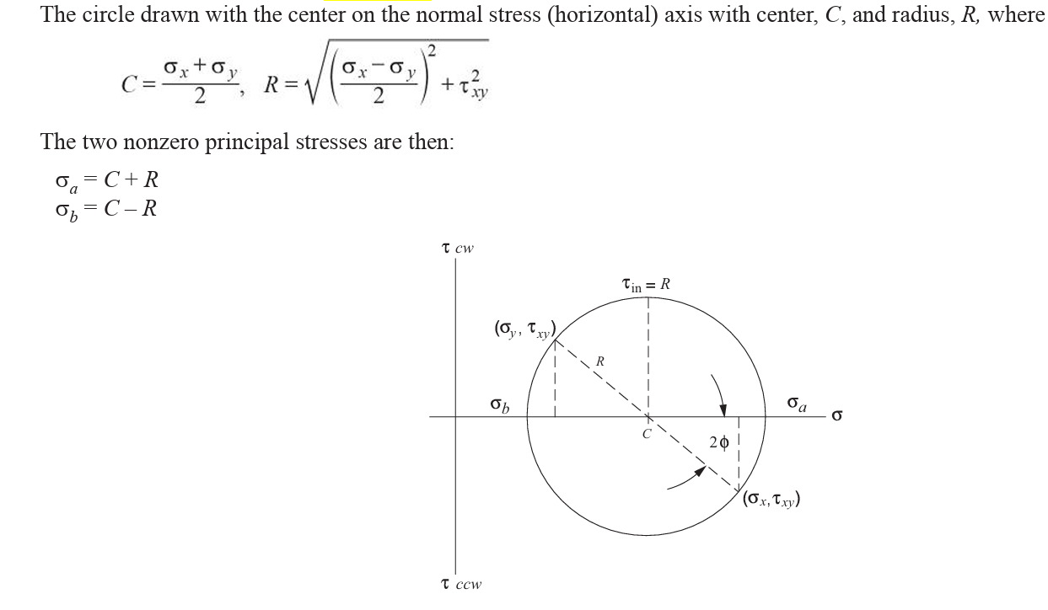
Drive Chain Assembly Mechanical Advantage and Chain Tension |  |  |  | Required Chain Strength
 | Value | Units | Notes |  | Value | Units | Notes
Required Motor Torque to Achieve Applied Force | 12.9 | ft-lb | From ACME Screw calc (x2 due to 2 acme screws) | Chain Working Tension | 50.390625
Assumed Sprocket Size | 2.00 | in | from inventor max allowable space for given design | Chain Back Tension (to Prevent Slip)
Chain Tension for Applied Load | 77.4 | lb |  | Total Chain Tension
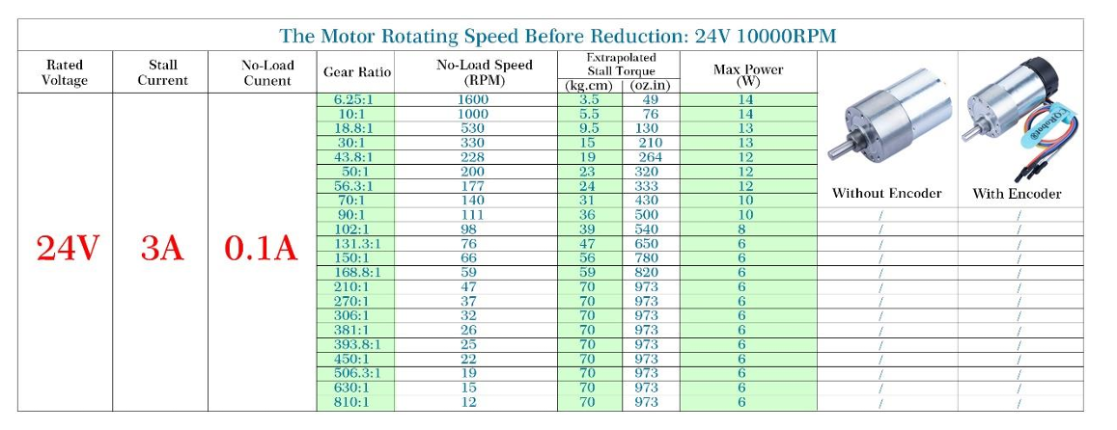
Driving Chain Size | 1.25 | in
Chain Drive Efficiency Estimate | 96%
Required Torque to Drive Chain | 8.3984375 | ft-lb |  |  |  |  | 2.1.2 Engagement with Sprockets (chain-guide.com)
Required Torque to Drive Chain | 1612.5 | oz-in
Required Torque to Drive Chain | 116.08891406 | kg-cm
Gear Ratio | 1.6

 |  |  |  | Motor Speed
Motor Sizing |  |  |  |  | Value | Units | Notes
 |  |  |  | Motor RPM | 10000 | RPM
Required Torque to Drive Chain | 8.3984375 | ft-lb |  | Motor Gear Ratio | 210 | -
Required Torque to Drive Chain | 1612.5 | oz-in |  | Drive Chain Ratio | 1.6
Required Torque to Drive Chain | 116.08891406 | kg-cm |  | Power Screw Speed Ratio | 10 | revolutions/in
 |  |  |  | Screw Drive Speed | 29.761904762 | RPM
 |  |  |  | Linear Speed | 2.9761904762 | in/min
Selected Motor Specifications
Voltage

Thrust Beam Span | 7.469 | in

Wash Chamber Access Hatch Calculations
 | Value | Units | Notes
Force Applied Load | 1000 | lbf
Thrust Beam Span | 7.469 | in | Span Found from ACME location in assembly
Shear Force | 500 | lbf
Bending Moment | 1867.25 | in-lb
FS | 2
Material Shear Strength | 34800
Required Section Modulus (S.S.) | 0.10731321839

Wash Thrust Arm

Reservior Thrust Arm

